Example
Elastic - Elasto-Plastic Method - ENCASED AND NON-ENCASED STONE COLUMNS

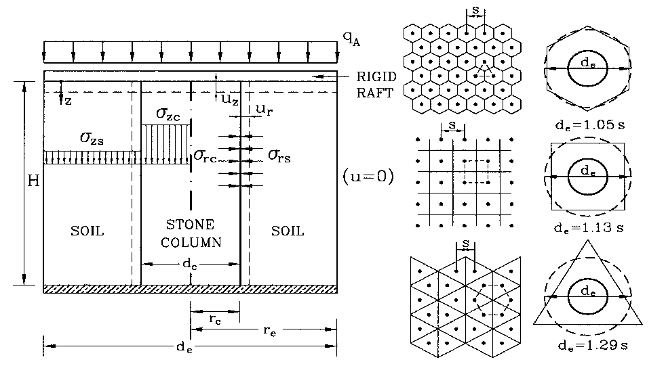
DATA: (input data in red color, results in blue)
Geometrical data: |  |  |  | Basics:
Column length | H = | 7.50 | m
Column diameter | dc = | 0.80 | m
Column spacing | s = | 1.80 | m
Column pattern factor | f = | 1.05

Unit cell diameter | de = | 1.890 | m
Replacement ratio | Ar = | 0.17917
 | Ar (%) = | 17.92 | %
Diameter ratio | de/dc = | 2.363

GEOTEXTILE data:
Geo tensile modulus | J = | 2800.00 | kN/m

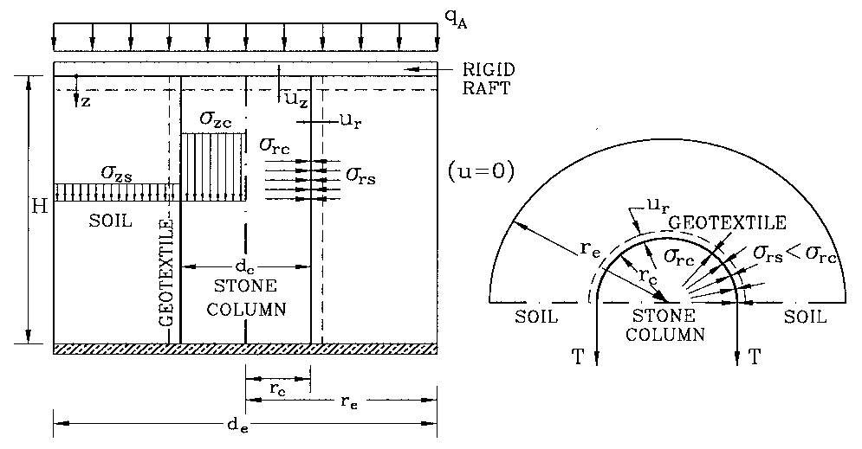
Stone column data:
Peak shear angle | j' = | 33.5 | °
Dilatancy angle | y = | 15.00 | °
Eff. unit weight | g'c = | 13.00 | kN/m3
Young's modulus | E = | 14000.00 | kPa
Poisson's ratio | n = | 0.20 | < 0,49

Shear angle at c.v. | j'cv = | 20.00 | °
 | Kpc = | 3.46
 | Ky = | 1.698
 | lc = | 3888.89 | kPa
Shear modulus | G = | 5833.33 | kPa
Constant D | D = | 2584.05

Load data | qA = | 100.00 | kPa

DISPLACEMENTS:

Vertical displacement |  | uz = | 0.255 | m

Non-treated ground displ. |  | uz,0 = | 0.614 | m

z | state | E | n | g's | Kini | Eoed | szc | src | ez | G | ls | k0 | C1 | C2 | C3 | C5 | T | szc_ini | src_ini | F | ez_el | ez_pl | Dszc_el | Dsrc_el | Dszc_pl | Dsrc_pl | d | Dszc | Dsrc | ∆uz | ∆uz0
(m) | el/pl | kPa |  | kN/m3 |  | kPa | kPa | kPa |  | kPa |  |  |  |  |  |  |  | kPa | kPa |  |  |  | kPa | kPa | kPa | kPa |  | kPa | kPa | m | m
0 | plastic | 597.75 | 0.4 | 6 | 0.6 | 1280.9 | 346.90 | 100.16 | 0.0334 | 213.48 | 853.93 | 0.67 | 0.29 | 0.77 | 0.58 | 30760.62 | 5.46 | 0 | 0 | 0.11 | 0.0269 | 0.0334 | 395.23 | 46.73 | 346.90 | 100.16 | 1.00 | 346.90 | 100.16
0.5 | plastic | 597.75 | 0.4 | 6 | 0.6 | 1280.9 | 353.35 | 102.02 | 0.0334 | 213.48 | 853.93 | 0.67 | 0.29 | 0.77 | 0.58 | 30760.62 | 5.46 | 6.5 | 1.8 | 0.11 | 0.0269 | 0.0334 | 395.23 | 46.73 | 346.90 | 100.16 | 1.00 | 346.85 | 100.22 | 0.0167 | 0.0390
1 | plastic | 597.75 | 0.4 | 6 | 0.6 | 1280.9 | 359.79 | 103.88 | 0.0334 | 213.48 | 853.93 | 0.67 | 0.29 | 0.77 | 0.58 | 30760.62 | 5.46 | 13 | 3.6 | 0.11 | 0.0269 | 0.0334 | 395.23 | 46.73 | 346.90 | 100.16 | 1.00 | 346.79 | 100.28 | 0.0167 | 0.0390
1.375 | plastic | 597.75 | 0.4 | 6 | 0.6 | 1280.9 | 364.63 | 105.27 | 0.0334 | 213.48 | 853.93 | 0.67 | 0.29 | 0.77 | 0.58 | 30760.62 | 5.46 | 17.875 | 4.95 | 0.11 | 0.0269 | 0.0334 | 395.23 | 46.73 | 346.90 | 100.16 | 1.00 | 346.75 | 100.32 | 0.0125 | 0.0293
1.5 | plastic | 597.75 | 0.4 | 6 | 0.6 | 1280.9 | 366.24 | 105.74 | 0.0334 | 213.48 | 853.93 | 0.67 | 0.29 | 0.77 | 0.58 | 30760.62 | 5.46 | 19.5 | 5.4 | 0.11 | 0.0269 | 0.0334 | 395.23 | 46.73 | 346.90 | 100.16 | 1.00 | 346.74 | 100.34 | 0.0042 | 0.0098
2 | plastic | 597.75 | 0.4 | 6 | 0.6 | 1280.9 | 372.68 | 107.60 | 0.0334 | 213.48 | 853.93 | 0.67 | 0.29 | 0.77 | 0.58 | 30760.62 | 5.46 | 26 | 7.2 | 0.11 | 0.0269 | 0.0334 | 395.23 | 46.73 | 346.90 | 100.16 | 1.00 | 346.68 | 100.40 | 0.0167 | 0.0390
2.75 | plastic | 597.75 | 0.4 | 6 | 0.6 | 1280.9 | 382.35 | 110.39 | 0.0334 | 213.48 | 853.93 | 0.67 | 0.29 | 0.77 | 0.58 | 30760.62 | 5.46 | 35.75 | 9.9 | 0.11 | 0.0269 | 0.0334 | 395.23 | 46.73 | 346.90 | 100.16 | 1.01 | 346.60 | 100.49 | 0.0251 | 0.0586
2.75 | plastic | 662.34 | 0.4 | 6.5 | 0.6 | 1419.3 | 371.13 | 107.15 | 0.0318 | 236.55 | 946.20 | 0.67 | 0.29 | 0.77 | 0.58 | 29374.68 | 4.93 | 35.75 | 9.9 | 0.11 | 0.0260 | 0.0318 | 383.51 | 47.17 | 335.69 | 96.92 | 1.01 | 335.38 | 97.25 | 0.0000 | 0.0000
3.375 | plastic | 662.34 | 0.4 | 6.5 | 0.6 | 1419.3 | 379.32 | 109.51 | 0.0318 | 236.55 | 946.20 | 0.67 | 0.29 | 0.77 | 0.58 | 29374.68 | 4.93 | 43.875 | 12.3375 | 0.11 | 0.0260 | 0.0318 | 383.51 | 47.17 | 335.69 | 96.92 | 1.01 | 335.45 | 97.18 | 0.0199 | 0.0440
3.5 | plastic | 662.34 | 0.4 | 6.5 | 0.6 | 1419.3 | 380.96 | 109.99 | 0.0318 | 236.55 | 946.20 | 0.67 | 0.29 | 0.77 | 0.58 | 29374.68 | 4.93 | 45.5 | 12.825 | 0.11 | 0.0260 | 0.0318 | 383.51 | 47.17 | 335.69 | 96.92 | 1.00 | 335.46 | 97.16 | 0.0040 | 0.0088
4 | plastic | 662.34 | 0.4 | 6.5 | 0.6 | 1419.3 | 387.51 | 111.88 | 0.0318 | 236.55 | 946.20 | 0.67 | 0.29 | 0.77 | 0.58 | 29374.68 | 4.93 | 52 | 14.775 | 0.11 | 0.0260 | 0.0318 | 383.51 | 47.17 | 335.69 | 96.92 | 1.00 | 335.51 | 97.11 | 0.0159 | 0.0352
4 | plastic | 432.65 | 0.4 | 5 | 0.6 | 927.1 | 433.44 | 125.14 | 0.0383 | 154.52 | 618.07 | 0.67 | 0.29 | 0.77 | 0.58 | 36273.36 | 7.55 | 52 | 14.775 | 0.12 | 0.0294 | 0.0383 | 429.10 | 45.41 | 381.58 | 110.17 | 1.00 | 381.44 | 110.36 | 0.0000 | 0.0000
4.5 | plastic | 432.65 | 0.4 | 5 | 0.6 | 927.1 | 439.71 | 126.95 | 0.0384 | 154.52 | 618.07 | 0.67 | 0.29 | 0.77 | 0.58 | 36273.36 | 7.55 | 58.5 | 16.275 | 0.12 | 0.0294 | 0.0383 | 429.10 | 45.41 | 381.58 | 110.17 | 1.01 | 381.21 | 110.67 | 0.0192 | 0.0539
5 | plastic | 432.65 | 0.4 | 5 | 0.6 | 927.1 | 445.98 | 128.76 | 0.0384 | 154.52 | 618.07 | 0.67 | 0.29 | 0.77 | 0.58 | 36273.36 | 7.55 | 65 | 17.775 | 0.12 | 0.0294 | 0.0383 | 429.10 | 45.41 | 381.58 | 110.17 | 1.01 | 380.98 | 110.98 | 0.0192 | 0.0539
5 | plastic | 718.20 | 0.4 | 7 | 0.6 | 1539.0 | 391.06 | 112.90 | 0.0307 | 256.50 | 1026.00 | 0.67 | 0.29 | 0.77 | 0.58 | 28386.51 | 4.55 | 65 | 17.775 | 0.10 | 0.0254 | 0.0306 | 373.98 | 47.52 | 326.84 | 94.36 | 1.02 | 326.06 | 95.13 | 0.0000 | 0.0000
5.425 | plastic | 718.20 | 0.4 | 7 | 0.6 | 1539.0 | 396.74 | 114.54 | 0.0306 | 256.50 | 1026.00 | 0.67 | 0.29 | 0.77 | 0.58 | 28386.51 | 4.55 | 70.525 | 19.56 | 0.10 | 0.0254 | 0.0306 | 373.98 | 47.52 | 326.84 | 94.36 | 1.01 | 326.21 | 94.98 | 0.0130 | 0.0276
5.85 | plastic | 718.20 | 0.4 | 7 | 0.6 | 1539.0 | 402.41 | 116.18 | 0.0306 | 256.50 | 1026.00 | 0.67 | 0.29 | 0.77 | 0.58 | 28386.51 | 4.55 | 76.05 | 21.345 | 0.10 | 0.0254 | 0.0306 | 373.98 | 47.52 | 326.84 | 94.36 | 1.01 | 326.36 | 94.84 | 0.0130 | 0.0276
5.85 | plastic | 520.71 | 0.4 | 7 | 0.6 | 1115.8 | 437.51 | 126.32 | 0.0356 | 185.97 | 743.87 | 0.67 | 0.29 | 0.77 | 0.58 | 32884.88 | 6.27 | 76.05 | 21.345 | 0.12 | 0.0280 | 0.0355 | 410.28 | 46.15 | 361.87 | 104.48 | 1.01 | 361.46 | 104.97 | 0.0000 | 0.0000
6.5 | plastic | 520.71 | 0.4 | 7 | 0.6 | 1115.8 | 446.16 | 128.81 | 0.0355 | 185.97 | 743.87 | 0.67 | 0.29 | 0.77 | 0.58 | 32884.88 | 6.27 | 84.5 | 24.075 | 0.12 | 0.0280 | 0.0355 | 410.28 | 46.15 | 361.87 | 104.48 | 1.00 | 361.66 | 104.74 | 0.0231 | 0.0583
6.675 | plastic | 520.71 | 0.4 | 7 | 0.6 | 1115.8 | 448.49 | 129.48 | 0.0355 | 185.97 | 743.87 | 0.67 | 0.29 | 0.77 | 0.58 | 32884.88 | 6.27 | 86.775 | 24.81 | 0.12 | 0.0280 | 0.0355 | 410.28 | 46.15 | 361.87 | 104.48 | 1.00 | 361.71 | 104.67 | 0.0062 | 0.0157
7 | plastic | 520.71 | 0.4 | 7 | 0.6 | 1115.8 | 452.81 | 130.73 | 0.0355 | 185.97 | 743.87 | 0.67 | 0.29 | 0.77 | 0.58 | 32884.88 | 6.27 | 91 | 26.175 | 0.12 | 0.0280 | 0.0355 | 410.28 | 46.15 | 361.87 | 104.48 | 1.00 | 361.81 | 104.56 | 0.0115 | 0.0291
7.5 | plastic | 520.71 | 0.4 | 7 | 0.6 | 1115.8 | 459.46 | 132.65 | 0.0355 | 185.97 | 743.87 | 0.67 | 0.29 | 0.77 | 0.58 | 32884.88 | 6.27 | 97.5 | 28.275 | 0.12 | 0.0280 | 0.0355 | 410.28 | 46.15 | 361.87 | 104.48 | 1.00 | 361.96 | 104.38 | 0.0178 | 0.0448

